Sheet1
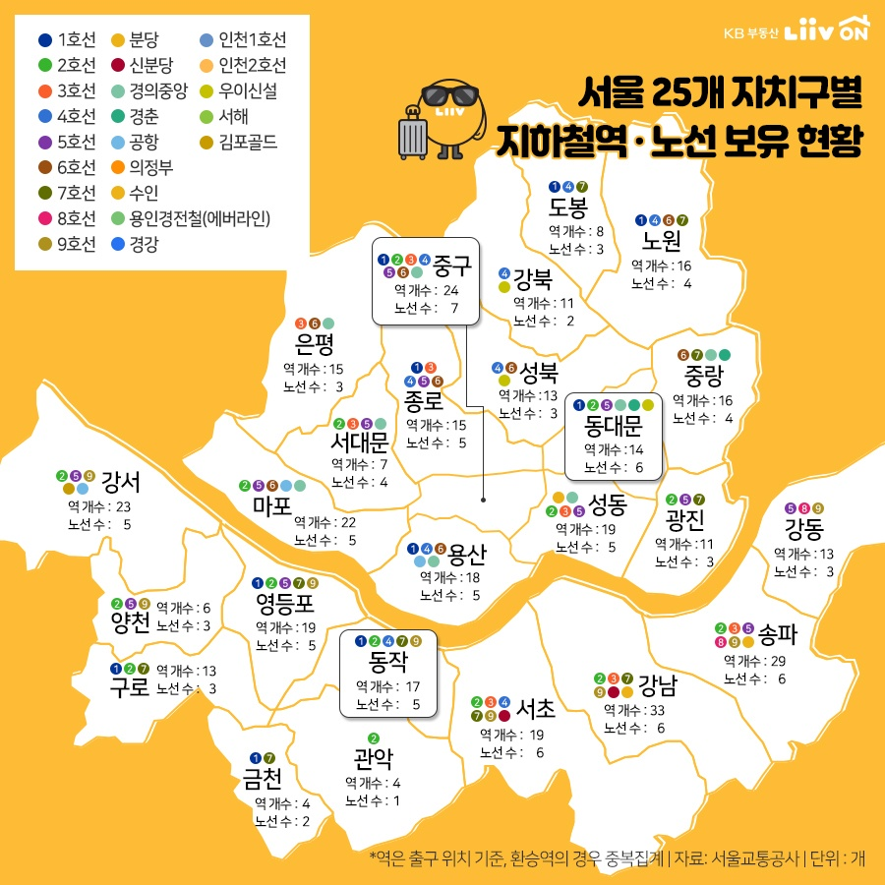
https://www.mk.co.kr/news/realestate/view/2020/02/118368/

